CAMPAIGN NAME
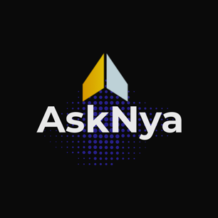 |  |  |  |  |  | BEST PRACTICES CAMPAIGN NAMING CONVENTION

YEAR | QUARTER | MONTH | SOURCE | MEDIUM | CAMPAIGN NAME | DO NOT EDIT
2022 | Q4 | NOVEMBER | EMAIL | NURTURE | WELCOME JOURNEY | 2022-Q4-NOVEMBER-EMAIL-NURTURE-WELCOME JOURNEY
2023 | Q1 | JANUARY | OTHER | CLIKBANK | TRAINING TIME | 2023-Q1-JANUARY-OTHER-CLIKBANK-TRAINING TIME
2022 | Q2 | MARCH | SOCIAL | TIKTOK | PUPPIES | 2022-Q2-MARCH-SOCIAL-TIKTOK-PUPPIES
2021 | Q3 | SEPTEMBER | OTHER | REFERRAL | REVIEW TIME | 2021-Q3-SEPTEMBER-OTHER-REFERRAL-REVIEW TIME
 |  |  |  |  |  | -----
 |  |  |  |  |  | -----
 |  |  |  |  |  | -----
 |  |  |  |  |  | -----
 |  |  |  |  |  | -----
 |  |  |  |  |  | -----
 |  |  |  |  |  | -----
 |  |  |  |  |  | -----
 |  |  |  |  |  | -----
 |  |  |  |  |  | -----
 |  |  |  |  |  | -----
 |  |  |  |  |  | -----
 |  |  |  |  |  | -----
 |  |  |  |  |  | -----
 |  |  |  |  |  | -----
 |  |  |  |  |  | -----
 |  |  |  |  |  | -----
 |  |  |  |  |  | -----
 |  |  |  |  |  | -----
 |  |  |  |  |  | -----
 |  |  |  |  |  | -----
 |  |  |  |  |  | -----
 |  |  |  |  |  | -----
 |  |  |  |  |  | -----
 |  |  |  |  |  | -----
 |  |  |  |  |  | -----
 |  |  |  |  |  | -----
 |  |  |  |  |  | -----
 |  |  |  |  |  | -----
 |  |  |  |  |  | -----
 |  |  |  |  |  | -----
 |  |  |  |  |  | -----
 |  |  |  |  |  | -----
 |  |  |  |  |  | -----
 |  |  |  |  |  | -----
 |  |  |  |  |  | -----
 |  |  |  |  |  | -----
 |  |  |  |  |  | -----
 |  |  |  |  |  | -----
 |  |  |  |  |  | -----
 |  |  |  |  |  | -----
 |  |  |  |  |  | -----
 |  |  |  |  |  | -----

